LBP Summary
Summary

The logistics portfolio delivered a Total Portfolio Return of 9.6%, underpinned by a high occupancy level of 95.0% and a long weighted average lease expiry of 8.0 years.

Top Ten Tenants1 |  | Key Operating Metrics |  |  | Geographic Weighting
As at 30 June 2017 |  | As at 30 June 2017 |  |  | As at 30 June 2017
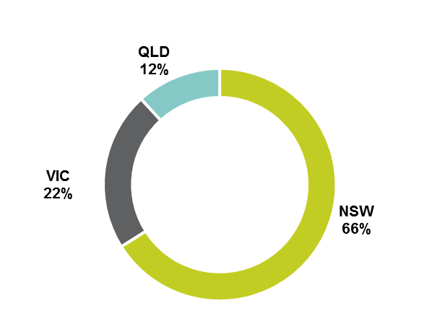
Tenant | % Income |  | 2017 | 2016
Wesfarmers | 16.5% | Number of Assets2 | 27 | 31
Toll | 7.3% | Portfolio Value3,4 | $1,484.3m | $1,437.2m
Rand Transport Pty Limited | 5.9% | Comparable Net Income Growth | 3.8% | 0.1%
TNT Australia Pty Limited | 5.5% | Occupancy5 | 95.0% | 92.7%
Ive Group | 5.1% | Weighted Average Lease Expiry | 8.0 years | 7.9 years
Australian Pharmaceutical Industries | 4.4% | 2. Consolidated properties are counted individually. 3. Excludes land and development held in GPTMH. 4. Includes equity interest in GMF (since been divested, at 1 July 2016). 5. Includes Signed Leases.
Schenker Australia Pty Limited | 4.1%
Goodman Fielder | 4.0%
Super Cheap Auto | 3.6%
ASICS | 2.8%
1. Based on gross rent.

